Zadaci
1. Napisati 5 test kejseva za aplikaciju na zadatoj slici
2. Napisati 3 bug reporta za bilo koju aplikaciju (svojevoljno trazite bagove gde god) | 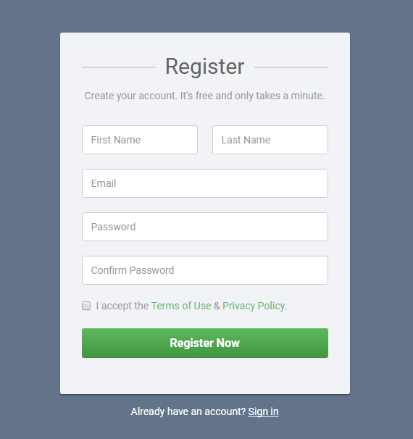

Zad_2 Bug report 1
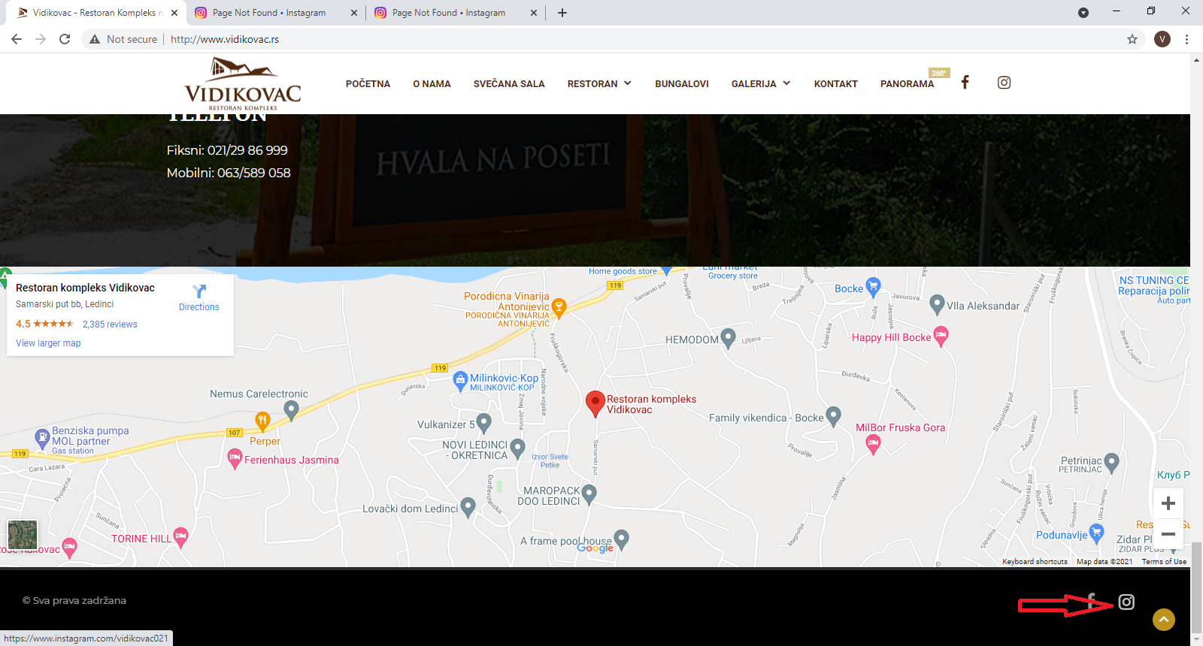
Summary |  |  |  |  | Screenshots
Broken link to the Instagram page |  |  |  | 1
Description:
Click on the Instagram symbol on the website homepage page on the bottom right corner of the screen (screenshot 1, red arrow) redirected to Instagram, but the message "Sorry, this page isn't available" message appeared (screenshot 2). Instagram profile exists (screenshot 3), but the link from the page is broken.

Test steps | Test data | Expected results | Actual results
Open browser | Browser: Google Chrome, version 93.0.4577.63
Enter URL | http://www.vidikovac.rs/
Click on the Instagram symbol on the home page |  | The link redirected to the Instagram profile. Profile is visible | No

Priority | Low
Severity | Medium
Repro rate | 100%
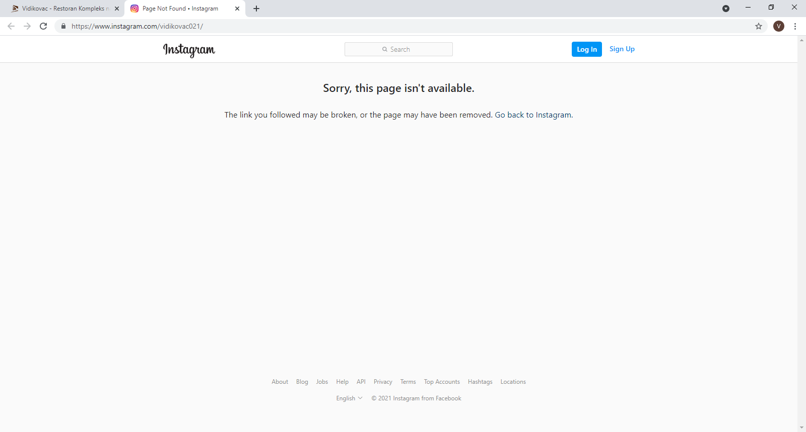

 |  |  |  | 2

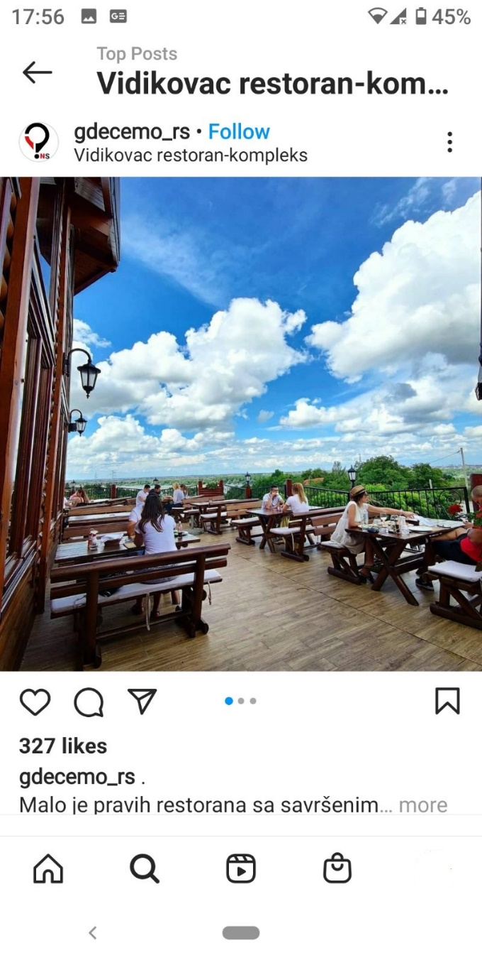
 |  |  |  | 3

Zad_2 Bug report 2
Summary
Symbols overlap with text on the "Početna" page in the "Informacije" section. |  |  |  | Screenshot
Description
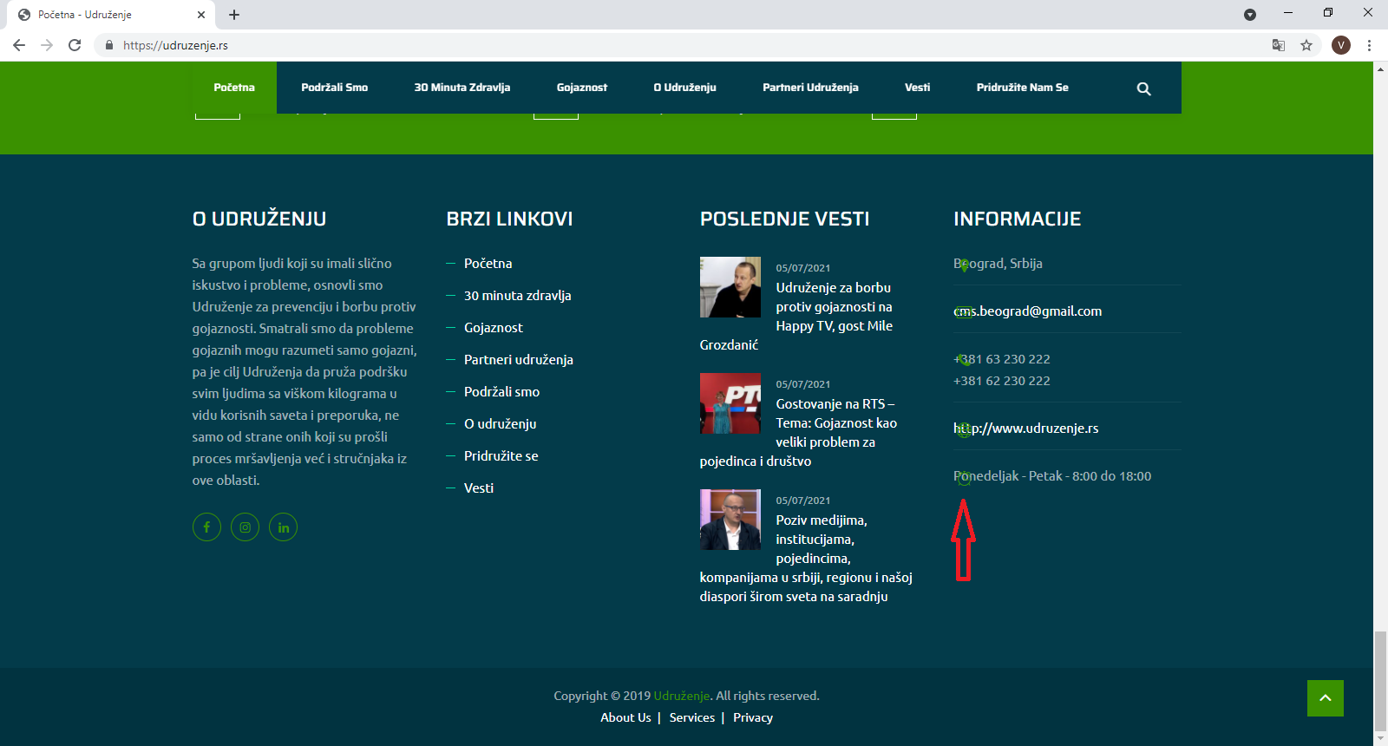
On the bottom right part of the "Početna" page, in the "Informacije" section, symbols for the place, Email, phone, website, and working hours overlap with text, as you can see in the screenshot.

Test steps | Test data | Expected results | Actual results
Open browser | Browser: Google Chrome, version 93.0.4577.63
Enter URL | http://www.udruzenje.rs/
Observe the bottom right section "Informacije": position of text and symbols |  | Section "Informacije" is positioned in the bottom right part of the page. Symbols (for the place, Email, phone, web site and working hours) are positioned in front of the information ordered top-down: Beograd, Srbija, cms.beograd@gmail.com, +381 63 230 222 +381 62 230 222, https://udruzenje.rs/, Ponedeljak - Petak -8:00 do 18:00 | All symbols overlap with the associated
 |  |  | text (see screenshot, red arrow)

Priority | Low
Severity | Low
Repro rate | 100%

Zad_2 Bug report 3
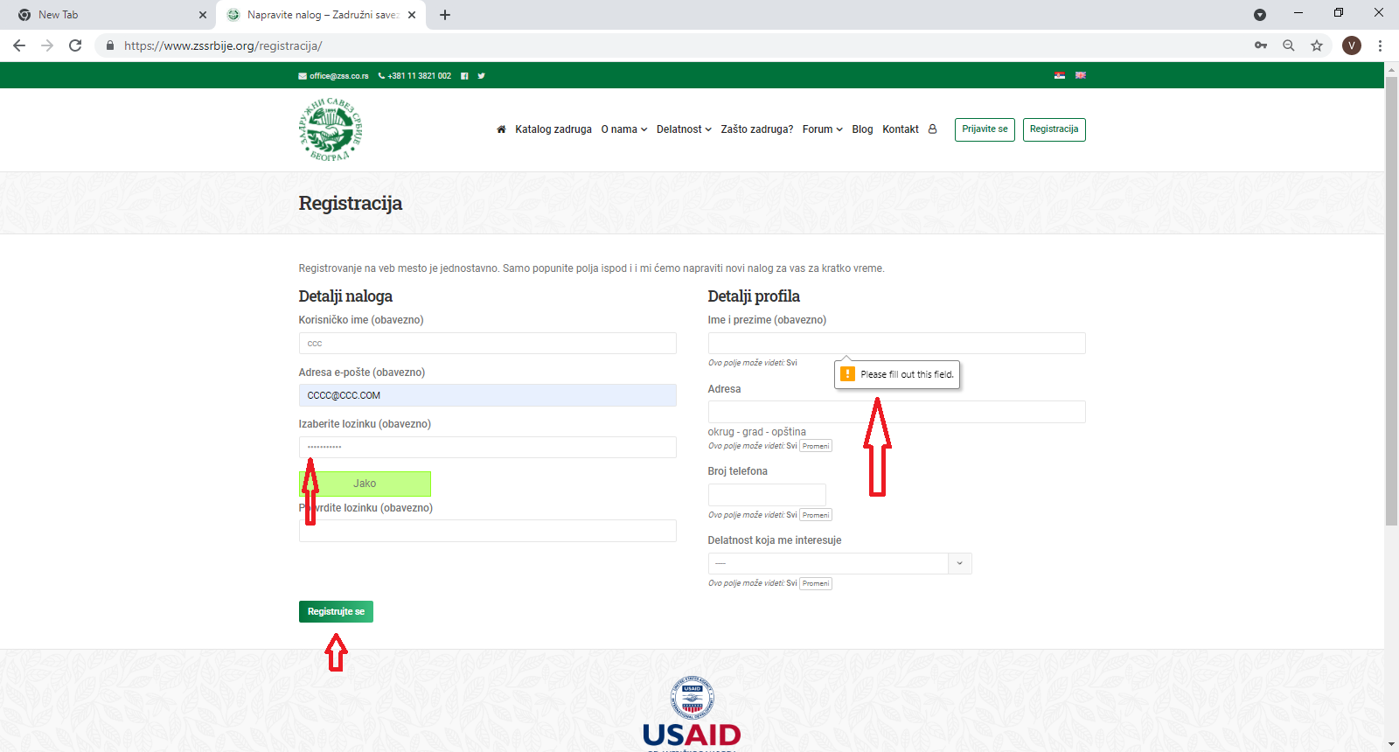
Summary
When the user tries to register without confirmation of password entered, no "confirm password" message is shown. Message to fill data appeared in the profile section |  |  |  | Screenshot
Description
After entered the password in the text box "Izaberite lozinku" on the left side of the screen and clicked on the "Registruj se" button below, without password confirmation, the user received a "Please fill out this field" in the "Ime i prezime" mandatory field in profile section on the right side of the screen (screenshot, red arrows). There is no message to confirm the password in the "Confirm password" field

Test steps | Test data | Expected results | Actual results
Open browser | Browser: Google Chrome, version 93.0.4577.63
Enter URL | https://www.zssrbije.org/
Click on the Serbian flag to choose "Srpski jezik"
Enter username in the "Korisničko ime" filed | ccc
Enter an Email address in the "Adresa e-pošte" field | CCC@CCC.COM
Enter password in the "Izaberite lozinku" field | 123HN123hn.
Click on the "Registracija" button |  | Unsuccessful registration with the message "confirm your password before registration" | Unsuccessful registration, but the message "Please fill out this field" Appeared in the "Ime i prezime" field on the profile section. "Confirm your password before registration" didn't appear

Priority | High
Severity | Medium
Repro rate | 100%

